Mkt_calc
Annual Reutrn
 | Equity Return and Risk
 |  | ONT | FTSE-350-Index | GNS
 | Average Daily Return | -0.002159 | 0.000083 | -0.001482
 | Volatility (StD) | 3.58% | 0.80% | 2.37%
 | 3 year return | -1.632270 | 0.062399 | -1.120181
Annual return | 2022 | -100.69% | -2.67% | -48.82%
 | 2023 | -16.66% | 3.69% | -30.87%
 | 2024 | -45.95% | 5.20% | -32.36%
Annual volatility | 2022 | 63.82% | 16.27% | 41.19%
 | 2023 | 47.96% | 11.46% | 31.64%
 | 2024 | 57.66% | 9.20% | 39.29%

FROM FAME
 |  |  | ONT | GNS
 | Beta (3Y) |  | 1.40 | 1.24
Annual Volatility
 | PE ratio (TTM) | 2022 | -22.31 | 67.83
 |  | 2023 | -11.24 | 54.05
 |  | 2024 | -7.91 | 168.09

Fin_calc
Profitability Ratios: Operating Profit Margin (%) |  |  | Efficiency Ratios: Net Asset Turnover |  |  | Gearing ratios: Gearing Ratio (%)
 | Company | Competitor |  | Company | Competitor |  | Company | Competitor
2022 | -49.59% | 8.32% | 2022 | 0.28 | 0.68 | 2022 | 3.85% | 33.98%
2023 | -99.38% | 5.87% | 2023 | 0.25 | 0.80 | 2023 | 6.40% | 34.07%
2024 | -83.16% | 0.96% | 2024 | 0.29 | 0.76 | 2024 | 7.01% | 38.07%

Profitability Ratio: Operating Profit Margin
Efficiency Ratios: Net Asset Turnover
Gearing Ratios: Gearing Ratio

Equity Ratios: Return on Shareholder Funds (%) |  |  | Liquidity ratios: Current Ratio
 | Company | Competitor |  | Company | Competitor
2022 | -12.03% | 8.46% | 2022 | 6.22 | 1.70
2023 | -23.26% | 6.95% | 2023 | 5.01 | 1.76
2024 | -23.87% | 1.01% | 2024 | 4.66 | 1.80

Equity Ratios: Return on Shareholder Funds
Liquidity ratios: Current Ratio

Report
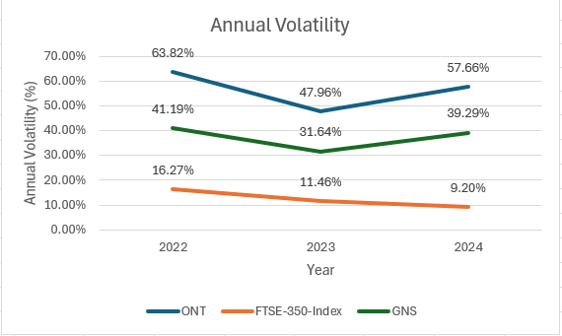
Code | ONT
Name | OXFORD NANOPORE TECHNOLOGIES PLC
Sector | Biotechnology and Life Sciences

Table 1 | Key ratios of Oxford Nanopore Technologies
 | Ratios | 2022 | 2023 | 2024
 | Operating Profit Margin (%) | -49.59% | -99.38% | -83.16%
 | Return on Shareholder Funds (%) | -12.03% | -23.26% | -23.87%
 | Net Assest Turnover | 0.28 | 0.25 | 0.29
 | Gearing Ratio | 4.18% | 7.34% | 8.16%
 | Current Ratio | 6.22 | 5.01 | 4.66

Table 2 | Key Market Coefficients and Performance Metrics for ONT Shares
 | Market CoEfficient | 2022 | 2023 | 2024
 | Annual Return (%) | -100.69% | -16.66% | -45.95%
 | Annual Volatility (%) | 63.82% | 47.96% | 57.66%
 | P/E Ratio | -22.31 | -11.24 | -7.91

Chart 1 | Operating Profit Margin between ONT and GNS
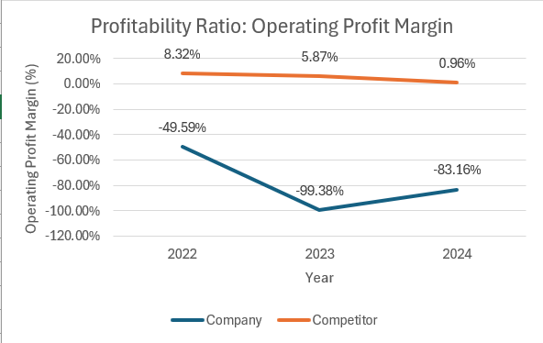

Chart 2 | Current Ratio between ONT and GNS
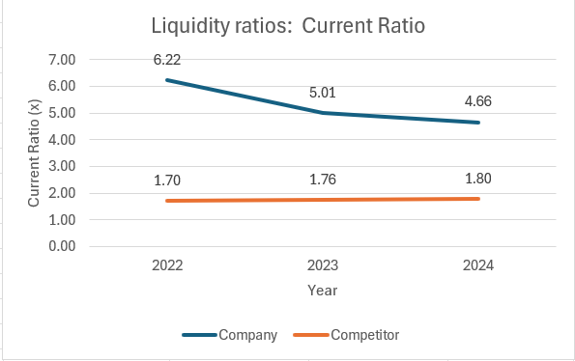

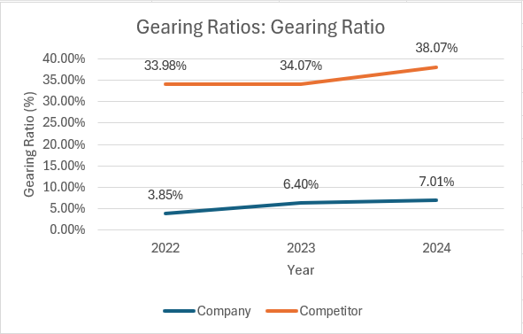
Chart 3 | Gearing Ratio between ONT and GNS

Chart 4 | Return on Shareholder Funds between ONT and GNS
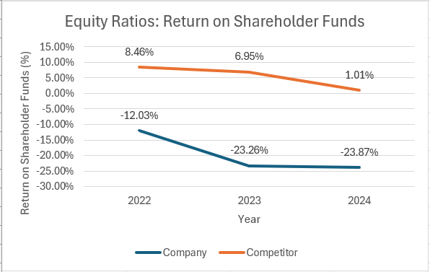

Chart 5 | Comparative Annual Returns Trend: ONT, GNS, and FTSE-350
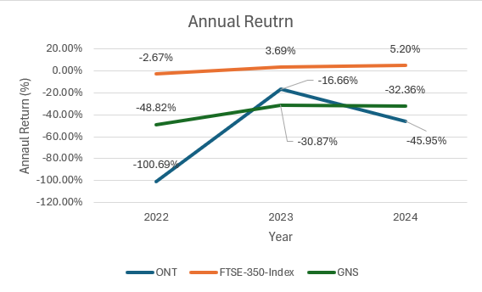

Chart 6 | Comparative Annual Volatility Trend: ONT, GNS, and FTSE-350

